Vanilla call 236058559
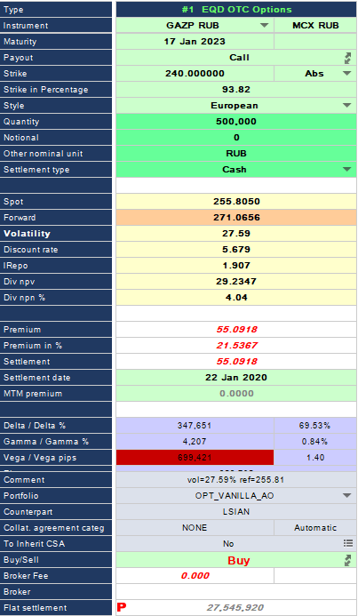
MUREX - European call |  |  | NUMERIXCVA
 |  |  |  | NxCVA Black-Scholes
Black Model (based on Murex) | GAZP RUB |  | Black Model (based on NxCVA)
Inputs: |  |  | Inputs: | Spot | Shifted Vol
Forward Price (S) | 271.07 |  | Spot (S) - DIV | 226.59 | 226.59
Strike Price (X) | 240.00 |  | Strike Price (X) | 240.00 | 240.00
Volatility (s) | 27.59% |  | Volatility (s) | 27.59% | 28.59%
Risk-free Rate | 5.68% |  | Risk-free Rate | 5.18% | 5.18% | Rub: XCCY
Time to expiration (T) | 3.003 | yrs | Repo Rate | 5.90% | 5.90% | GAZP RUB
# of Options | 500,000 |  | Time to expiration (T) | 3.003 | 3.003
Output: |  |  | # of Options | 500,000 | 500,000
 |  |  | Output:
D1 | 0.45621 |  | D1 | 0.48944 | 0.48935
D2 | -0.02188 |  | D2 | 0.01135 | -0.00607 |  | Vol from Nmxcva 1.36
N(D1) | 0.67588 |  | N(D1) | 0.68774 | 0.68770
N(D2) | 0.49127 |  | N(D2) | 0.50453 | 0.49758
Call Price | 27,532,320 |  | Call Price | 27,801,863.72 | 28,511,927.13
Call Price, $ | 447,798 |  | Call Price, $ | 452,182 | 463,731

 |  |  | Delta (=derivative * Spot), $ | 1,462,022 |  | Дельта - это то, какую позицию в $ в акциях нужно взять для нулевой чувствительности к акции
 |  |  | Vega (1% vol chng), $ | 11,548 | 11,549
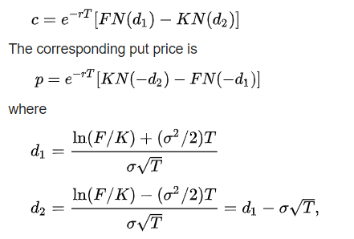
 |  |  | USDRUB | 61.484
 |  |  | Spot | 255.805
 |  |  | Dividend | 29.21 |  | Налоги учтены, продисконтированы по Репо ставке
 |  |  | ForwardPrice | 270.52

Taxes are applied for dividends

Vanilla put 236058565

MUREX - European put |  |  | NUMERIXCVA
 |  |  |  | NxCVA Black-Scholes
Black Model (based on Murex) | GAZP RUB |  | Black Model (based on NxCVA)
Inputs: |  |  | Inputs: | Spot
Forward Price (S) | 271.00 |  | Spot (S) - DIV | 226.59
Strike Price (X) | 240.00 |  | Strike Price (X) | 240.00
Volatility (s) | 27.59% |  | Volatility (s) | 27.59%
Risk-free Rate | 5.68% |  | Risk-free Rate | 5.18% | Rub: XCCY
Time to expiration (T) | 3.003 | yrs | Repo Rate | 5.90% | GAZP RUB
# of Options | 500,000 |  | Time to expiration (T) | 3.003
Output: |  |  | # of Options | 500,000
 |  |  | Output:
D1 | 0.45575 |  | D1 | 0.48944
D2 | -0.02234 |  | D2 | 0.01135
N(D1) | 0.67571 |  | N(D1) | 0.68774
N(D2) | 0.49109 |  | N(D2) | 0.50453
N(-D1) | 0.32429 |  | N(-D1) | 0.31226
N(-D2) | 0.50891 |  | N(-D2) | 0.49547
Call Price | 27,513,015 |  | Call Price | 27,801,863.72 |  | Vol from Nmxcva 1.36
Put Price | 14,443,518 |  | Put Price | 14,739,183.08
Call Price, $ | 447,484 |  | Call, $ | 452,182
Put Price, $ | 234,916 |  | Put, $ | 239,725

 |  |  | Delta (=derivative * Spot), $ | -663,825 | Дельта - это то, какую позицию в $ в акциях нужно взять для нулевой чувствительности к акции
 |  |  | Vega (1% vol chng), $ | 11,548

 |  |  | USDRUB | 61.484
 |  |  | Spot | 255.805
 |  |  | Dividend | 29.21
 |  |  | ForwardPrice | 270.52167589

Taxes are applied for dividends

Dig call 236058505
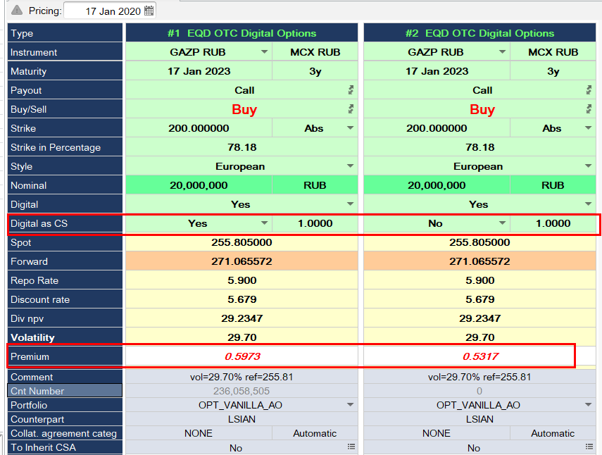
MUREX - Digital call |  |  |  |  |  | NUMERIXCVA
 |  |  |  |  |  |  | NxCVA Black-Scholes
Black modedel (based on Murex) | GAZP RUB |  |  |  |  | Black modedel (based on NxCVA)
Inputs: |  |  |  |  |  | Inputs: | Spot
Forward Price (S) | 271.07 |  |  |  |  | Spot (S) - DIV | 226.59
Strike Price (X) normal | 200.00 |  |  |  |  | Strike Price (X) | 200.00
Strike Price (X) moded | 202.00 |  |  |  |  | Volatility (s) | 29.70%
Volatility (s) normal | 29.70% |  |  |  |  | Risk-free Rate | 5.18% | Rub: XCCY
Volatility (s) moded | 29.58% |  |  |  |  | Repo Rate | 5.90% | GAZP RUB
Risk-free Rate | 5.6790% |  |  |  |  | Time to expiration (T) | 3.003
Time to expiration (T) | 3.003 | yrs |  |  |  | # of Options | 20,000,000
# of Options | 20,000,000 |  |  |  |  | Output:
Output: |  |  |  |  |  | D1 | 0.84420
 |  |  |  |  |  | D2 | 0.32954
D1 normal | 0.77192 |  |  |  |  | N(D1) | 0.80072
D2 normal | 0.25727 |  |  |  |  | N(D2) | 0.62913
D1 moded | 0.75591 |  |  |  |  | N(-D1) | 0.19928
D2 moded | 0.24326 |  |  |  |  | N(-D2) | 0.37087
N(D1) normal | 0.77992 |  |  |  |  | Call Price | 10,770,167
N(D2) normal | 0.60151 |  |  |  |  | Call Price, $ | 175,171
N(D1) moded | 0.77515
N(D2) moded | 0.59610 |  |  |  |  | Delta (=derivative * Spot), $ | 204,426 | Дельта - это то, какую позицию в $ в акциях нужно взять для нулевой чувствительности к акции
Digital call Price | 10,144,158 |  |  |  |  | Vega (1% vol chng), $ | -2,990
Digital call Price, $ | 164,989
Call Price normal (for 1 stock) | 76.82 |  |  |  |  | USDRUB | 61.484
Call Price moded (for 1 stock) | 75.64 |  |  |  |  | Spot | 255.805
Call Price by Call spread | 11,828,631 |  |  |  |  | Dividend | 29.21 | Налоги учтены, продисконтированы по Репо ставке
Call Price by Call spread, $ | 192,386 |  |  |  |  | ForwardPrice | 0
 |  |  | MUREX price | 11,946,000 | 10,634,000
 |  |  |  | 194,295.24 | 172,956.27

Taxes are applied for dividends

Dig put 236058508
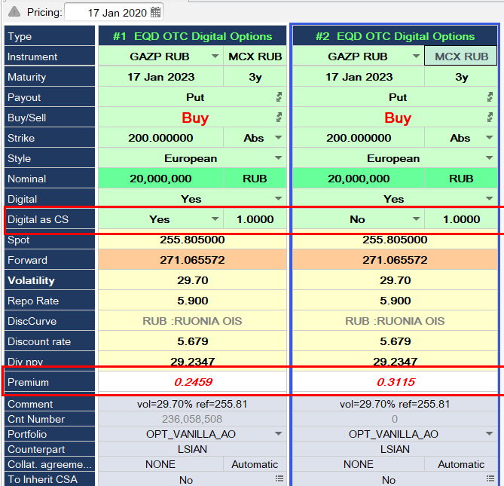
MUREX - Digital put |  |  |  |  |  | NUMERIXCVA
 |  |  |  |  |  |  | NxCVA Black-Scholes
Black Model (based on Murex) | GAZP RUB |  |  |  |  | Black Model (based on NxCVA)
Inputs: |  |  |  |  |  | Inputs: | Spot
Forward Price (S) | 271.066 |  |  |  |  | Spot (S) - DIV | 226.59
Strike Price (X) | 200.00 |  |  |  |  | Strike Price (X) | 200.00
Volatility (s) | 29.70% |  |  |  |  | Volatility (s) | 29.70%
Risk-free Rate | 5.68% |  |  |  |  | Risk-free Rate | 5.18% | Rub: XCCY
Time to expiration (T) | 3.003 | yrs |  |  |  | Repo Rate | 5.90% | GAZP RUB
# of Options | 20,000,000 |  |  |  |  | Time to expiration (T) | 3.003
Output: |  |  |  |  |  | # of Options | 20,000,000
 |  |  |  |  |  | Output:
D1 | 0.77192 |  |  |  |  | D1 | 0.84420
D2 | 0.25727 |  |  |  |  | D2 | 0.32954
N(D1) | 0.77992 |  |  |  |  | N(D1) | 0.80072
N(D2) | 0.60151 |  |  |  |  | N(D2) | 0.62913
Put Price | 6,720,223 |  |  |  |  | N(-D1) | 0.19928
Put Price, $ | 109,301 |  |  |  |  | N(-D2) | 0.37087
Taxes are applied for dividends |  |  |  |  |  | Put Price | 6,349,051
 |  |  |  |  |  | Put Price, $ | 103,264

 |  |  |  |  |  | Delta (=derivative * Spot), $ | -204,426 | Дельта - это то, какую позицию в $ в акциях нужно взять для нулевой чувствительности к акции
 |  |  |  |  |  | Vega (1% vol chng), $ | 2,990

 |  |  |  |  |  | USDRUB | 61.484
 |  |  |  |  |  | Spot | 255.805
 |  |  |  |  |  | Dividend | 29.21 | Налоги учтены, продисконтированы по Репо ставке

 |  |  | MUREX | 4,917,932 | 6,230,000

Van quanto 236058581
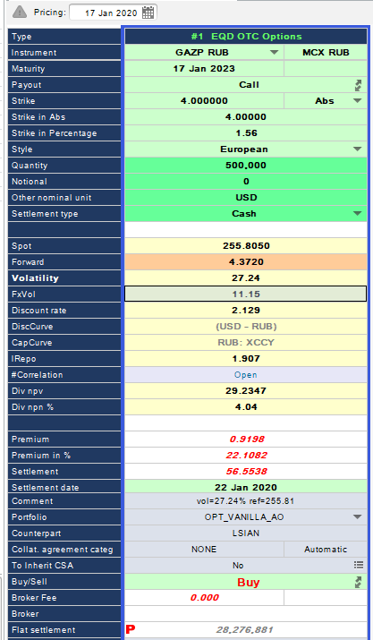
MUREX - Vanilla quanto |  |  |  | NUMERIXCVA
Black Model (based on NxCVA) |  |  |  | Black Model (based on NxCVA)
Inputs: | Spot |  |  | Inputs: | Spot | Shifted Spot | Shifted Vol | Corr=1
Spot (S) - DIV | 226.57 |  |  | Spot (S) - DIV | 226.60 | 226.62 | 226.60 | 226.60
Strike Price (X), $ | 4.00 |  |  | Strike Price (X), $ | 4.00 | 4.00 | 4.00 | 4.00
Volatility (s) | 27.24% |  |  | Volatility (s) | 27.24% | 27.24% | 28.24% | 27.24% | The volatility value is based on the Strike (RUB) = Strike (USD) * Quanto Factor = 248
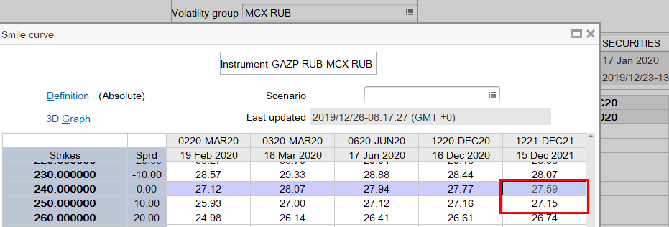
Correlation (FX, Spot) | 0.00 |  |  | Correl (GAZP RUB, USDRUB) | 0.00 | 0.00 | 0.00 | -0.50
Quanto factor | 62.00 |  |  | Quanto factor | 62.00 | 62.00 | 62.00 | 62.00 | 0.016129032258
Volatility FX (ATM) | 11.15% |  |  | Volatility FX (ATM) | 11.15% | 11.15% | 11.15% | 11.15%
Modified Spot | 4.36 |  |  | Modified Forward | 4.36 | 4.36 | 4.36 | 4.17
Risk-free Rate (d) | 5.90% |  |  | Risk-free Rate (d) | 5.90% | 5.90% | 5.90% | 5.90%
Risk-free Rate (f) | 2.13% |  |  | Risk-free Rate (f) | 1.62% | 1.62% | 1.62% | 1.62%
Time to expiration (T) | 3.00 |  |  | Repo Rate | 5.90% | 5.90% | 5.90% | 5.90% | GAZP RUB
# of Options | 500,000 |  |  | Time to expiration (T) | 3.00 | 3.00 | 3.00 | 3.00
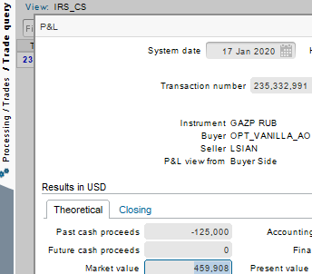
Output: |  |  |  | # of Options | 500,000 | 500,000 | 500,000 | 500,000
D1 | 0.41964 |  |  | Output:
D2 | -0.05217 |  |  | D1 | 0.41984 | 0.42008 | 0.42199 | 0.32328
N(D1) | 0.66262 |  |  | D2 | -0.05194 | -0.05170 | -0.06711 | -0.14850
N(D2) | 0.47920 |  |  | N(D1) | 0.66270 | 0.66279 | 0.66348 | 0.62676
Call Price, $ | 456,748 |  |  | N(D2) | 0.47929 | 0.47938 | 0.47325 | 0.44097
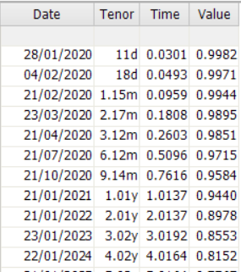
USDRUB | 61.48 |  |  | Call Price, $ | 463,830 | 463,986 | 476,970 | 404,155.05 | For MTM PV / Sim PV calculations the discount curves are always used
Spot | 255.805 |  |  | USDRUB | 61.48 |  |  | 407,715.60 | SimPV from NxCVA with corr =0.5
Dividend | 29.23 |  |  | Spot | 255.81 |  |  | -0.88% | Diff
Taxes are applied for dividends |  |  |  | Dividend | 29.21 |  |  | 0.8083 | Price of 1 option | NmxCVA price | 22512650_call | 468,333.67
Forward price theor. | 4.36 |  |  |  |  |  |  |  | Vol from Nmxcva 1.36 |  | 22512650_put | 288,068.08
 |  |  |  |  |  |  |  |  |  |  | Call - Put | 180,265.59
Волатильность берется из страйка Strike*QuantoFactor |  |  |  | delta | 1,557,323 |  |  |  |  | Theoretical price | Forward | 172,702.46
 |  |  |  | vega | 13,140 |  |  |  |  |  |  | -4.38%

 |  | Murex value |  | theoretical delta | 1,554,352
 |  | 459,900.0 |  | theoretical vega | 13,145

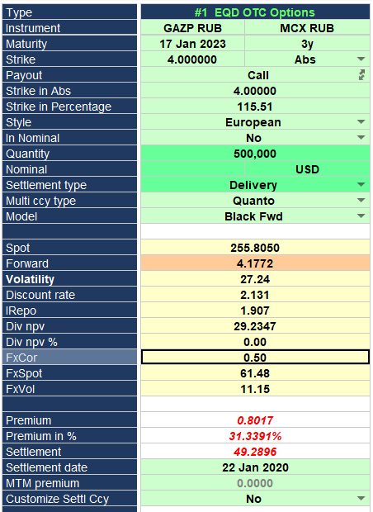

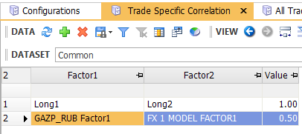

 |  |  |  | USD FED Funds curve switched to USD FRA (as in Nx CVA) and Linear

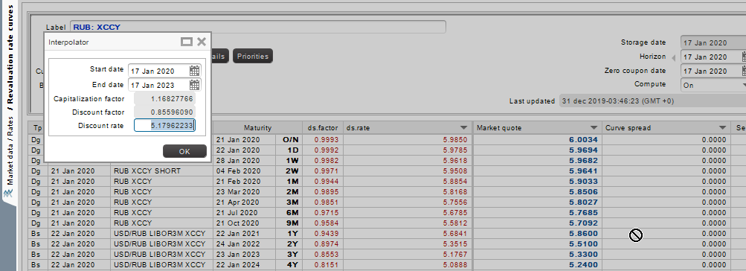

 |  | Murex price with corr=0.5

 |  | 400,850.00 | -0.8%

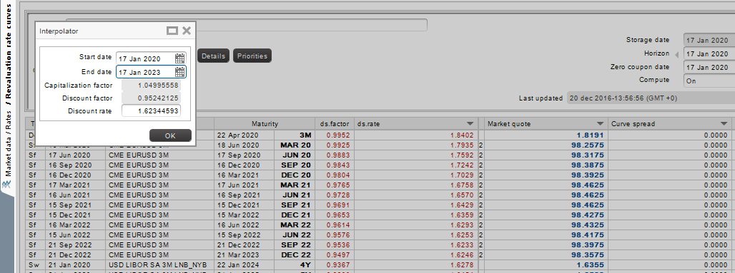
 |  |  |  | Switched to USD LIBOR 3M

Van composite 236058569
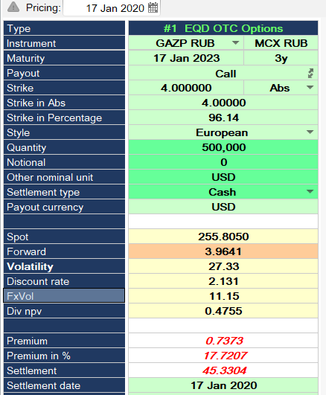
MUREX - Vanilla composite |  |  |  |  | NUMERIXCVA
Black Model (based on NxCVA) |  |  |  |  | Black Model (based on NxCVA)
Inputs: | Spot |  |  |  | Inputs: | Spot | Shifted Spot | Shifted vol | Corr=1
Forward price | 3.96 |  |  |  | Forward Price, $ | 3.95 | 3.95 | 3.95 | 3.95
Strike Price (X) | 4.00 |  |  |  | Strike Price (X), $ | 4.00 | 4.00 | 4.00 | 4.00
Volatility (s) | 27.33% |  |  |  | Volatility (s) | 26.23% | 26.23% | 27.23% | 26.23% | The volatility value is based on the Strike (RUB) = Strike (USD) * FX forward = 273
Correlation (FX, Spot) | 0.00 |  |  |  | Correl (GAZP RUB, USDRUB) | 0.00 | 0.00 | 0.00 | -0.50
Volatility FX (ATM) | 11.15% |  |  |  | Volatility FX (ATM) | 11.15% | 11.15% | 11.15% | 11.15%
Modified Vol | 29.51% |  |  |  | Modified Vol | 28.50% | 28.50% | 29.42% | 33.24%
Discount Rate (d) | 2.13% |  |  |  | Capitalized Rate (f) | 5.18% | 5.18% | 5.18% | 5.18% | RUB XCCY
Time to expiration (T) | 3.00 |  |  |  | Discount Rate (d) | 1.62% | 1.62% | 1.62% | 1.62% | USD FRA
# of Options | 500,000 |  |  |  | Repo Rate | 5.90% | 5.90% | 5.90% | 5.90% | GAZP RUB
Output: |  |  |  |  | Time to expiration (T) | 3.00 | 3.00 | 3.00 | 3.00
D1 | 0.23799 |  |  |  | # of Options | 500,000 | 500,000 | 500,000 | 500,000
D2 | -0.27322 |  |  |  | Output:
N(D1) | 0.59406 |  |  |  | D1 | 0.22339 | 0.22362 | 0.23212 | 0.26776
N(D2) | 0.39234 |  |  |  | D2 | -0.27027 | -0.27004 | -0.27753 | -0.30796
Call Price, $ | 368,447 |  |  |  | N(D1) | 0.5883855 | 0.5884731 | 0.5917782 | 0.6055573
USDRUB | 61.48 |  |  |  | N(D2) | 0.3934751 | 0.3935642 | 0.3906864 | 0.3790577
Spot | 255.81 |  |  |  | Call Price, $ | 358,432 | 358,553 | 370,134 | 418,237.51 | For MTM PV / Sim PV calculations the discount curves are always used
Dividend | 0.48 |  |  |  | USDRUB | 61.48 |  |  | 418,626.67 | SimPV from NxCVA with corr = 0.5
Taxes are applied for dividends |  | Murex |  |  | Spot | 255.81 | 255.835581 |  | -0.09% | Diff
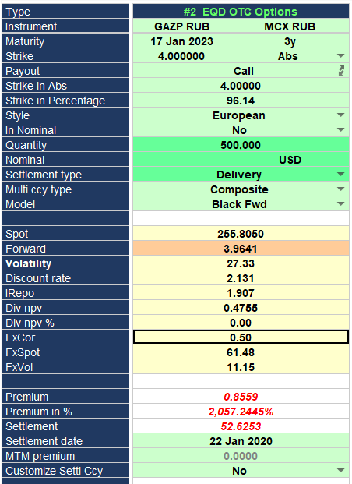
 |  | 368,637 |  |  | Spot,$ | 4.16 |  |  | 0.83647501066 | Price of 1 option
Repo rate | 5.90% |  |  |  | Dividend | 29.21 | 3.87 |  |  | Налоги учтены, продисконтированы по Репо ставке
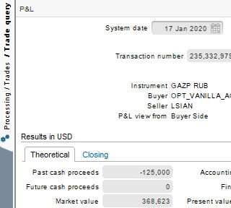
FX swap points | 69,192 |  |  |  | Forward FX price | 68.41
FX forward | 68.40 |  |  |  |  |  |  |  |  | Vol from Nmxcva 1.36
Forward price theor. | 3.95 |  |  |  | delta | 1,203,217
 |  |  |  |  | vega | 11,702
Волатильность берется из страйка Strike*USDRUBspot

 |  |  |  |  | theoretical delta | 1,250,907
 |  |  |  |  | theoretical vega | 11,681

 |  |  |  |  |  |  |  |  |  |  | NmxCVA price | 22512640_call | 359,385.99
 |  |  |  |  |  |  |  |  |  |  |  | 22512640_put | 375,446.39
 |  |  |  |  |  |  |  |  |  |  |  | Call - Put | -16,060.40
 |  |  |  |  |  |  |  |  |  |  | Theoretical price | Forward | -21,917.84
 |  |  | Murex price with corr=0.5 |  | USD FED Funds curve switched to USD FRA (as in Nx CVA) and Linear |  |  |  |  |  |  |  | -36%

 |  |  | 427,950.00 | -2.3%

 |  |  |  |  | Switched to USD LIBOR 3M

Dig quanto 236058511
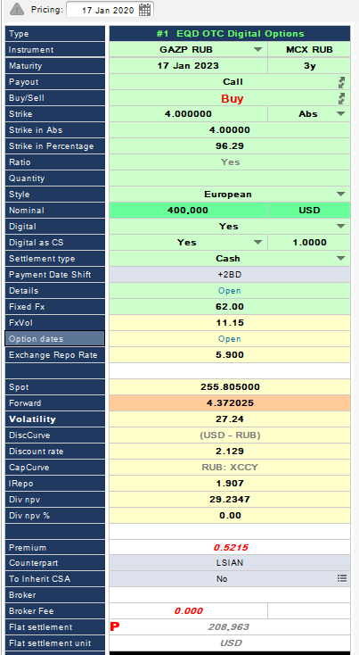
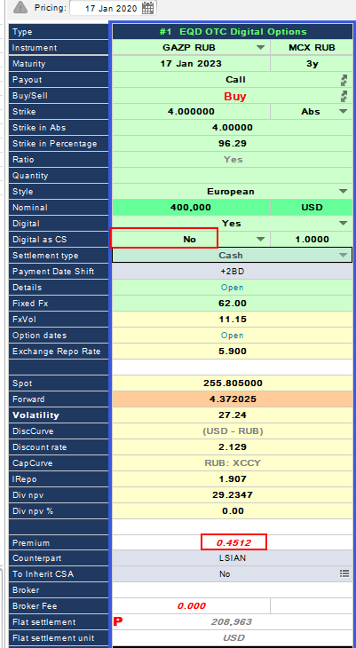
MUREX - Digital quanto |  |  | NUMERIXCVA
Black Model (based on NxCVA) |  |  | Black Model (based on NxCVA)
Inputs: | Spot |  | Inputs: | Spot | Shifted Spot | Shifted Vol
Spot (S) - DIV | 226.58 |  | Spot (S) - DIV | 226.60 | 226.62 | 226.60 | 226.60
Strike Price (X), $ | 4.00 |  | Strike Price (X), $ | 4.00 | 4.00 | 4.00 | 4.00
Volatility (s) | 27.24% |  | Volatility (s) | 27.24% | 27.24% | 28.24% | 27.24% | The volatility value is based on the Strike (RUB) = Strike (USD) * Quanto Factor = 248
Correlation (FX, Spot) | 0.00 |  | Correl (GAZP RUB, USDRUB) | 0.00 | 0.00 | 0.00 | 0.50
Quanto factor | 62.00 |  | Quanto factor | 62.00 | 62.00 | 62.00 | 62.00
Volatility FX (ATM) | 11.15% |  | Volatility FX (ATM) | 11.15% | 11.15% | 11.15% | 11.15%
Modified Spot | 4.36 |  | Modified Spot | 4.36 | 4.36 | 4.36 | 4.57
Risk-free Rate (d) | 5.90% |  | Risk-free Rate (d) | 5.18% | 5.18% | 5.18% | 5.18% | RUB XCCY
Risk-free Rate (f) | 2.13% |  | Risk-free Rate (f) | 1.62% | 1.62% | 1.62% | 1.62% | USD FRA
Time to expiration (T) | 3.00 |  | Repo Rate | 5.90% | 5.90% | 5.90% | 5.90% | GAZP RUB
Nominal | 400,000 |  | Time to expiration (T) | 3.00 | 3.00 | 3.00 | 3.00
Output: |  |  | Nominal | 400,000 | 400,000 | 400,000 | 400,000
D1 | 0.41956 |  | Output:
D2 | -0.05225 |  | D1 | 0.41984 | 0.42008 | 0.42199 | 0.51640
N(D1) | 0.66260 |  | D2 | -0.05194 | -0.05170 | -0.06711 | 0.04463
N(D2) | 0.47916 |  | N(D1) | 0.66270 | 0.66279 | 0.66348 | 0.69721
Call Price, $ | 179,808 |  | N(D2) | 0.47929 | 0.47938 | 0.47325 | 0.51780
USDRUB | 61.48 |  | Call Price, $ | 182,602 | 182,639 | 180,300 | 197,273 | For MTM PV / Sim PV calculations the discount curves are always used
Spot | 255.81
Dividend | 29.23
Taxes are applied for dividends |  | Murex (CS) | USDRUB | 61.48
Forward price | 4.362053597 | 208,600 | Spot | 255.81 | 255.835581
 |  |  | Spot,$ | 4.1606115437 | 4.1610276049
The volatility value is based on the Strike (RUB) = Strike (USD) * Quanto Factor = 248 |  | Murex (CS=No) | Dividend | 29.21 |  |  |  | Налоги учтены, продисконтированы по Репо ставке
 |  | 180,480
 |  |  | delta | 363,195
 |  |  | vega | -2,302
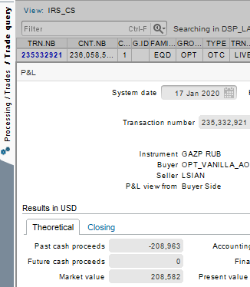
 |  |  | theoretical delta | 363,214
 |  |  | theoretical vega | -2,340

 |  |  | USD FED Funds curve switched to USD FRA (as in Nx CVA) and Linear

 |  |  | Switched to USD LIBOR 3M

Dig composite 236058512
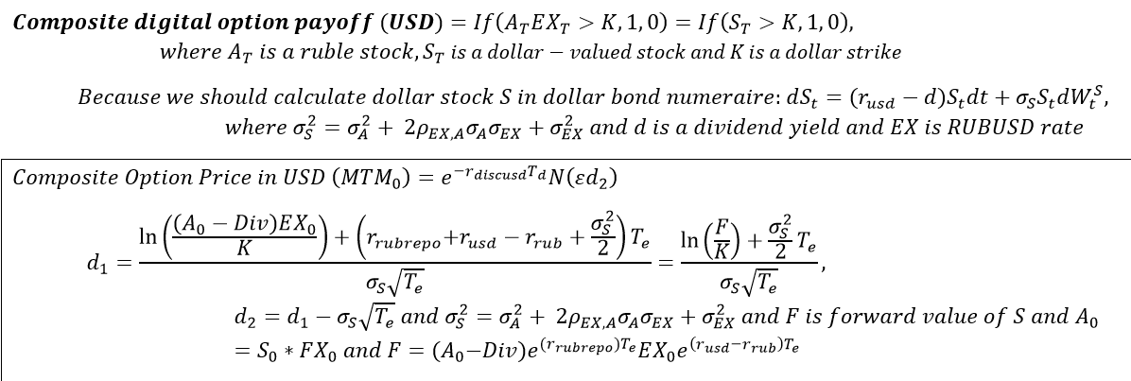
MUREX - Digital composite |  |  |  |  |  |  | NUMERIXCVA
Black Model (based on NxCVA) |  |  |  |  |  |  | Black Model (based on Murex)
Inputs: | Spot |  |  |  |  |  | Inputs: | Spot | Shifted Spot | Shifted Vol | Corr
Forward price, $ | 3.96 | Murex(CS) | 172,240 |  | Murex (CS=No) | 147,200 | Spot (S) - DIV, $ | 3.95 | 3.96 | 3.95 | 3.95
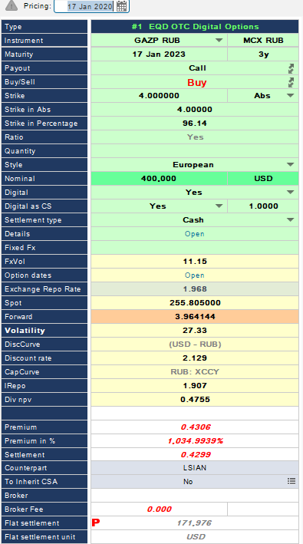
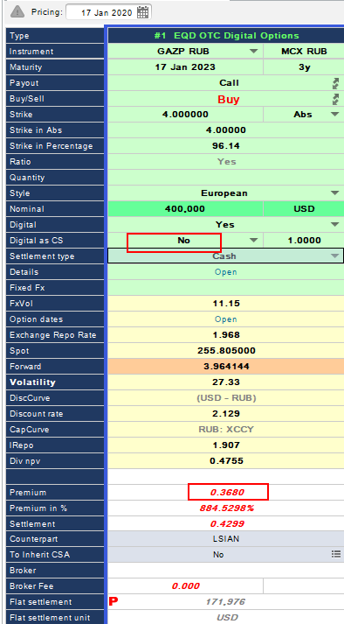
Strike Price (X), $ | 4.00 |  |  |  |  |  | Strike Price (X), $ | 4.00 | 4.00 | 4.00 | 4.00
Volatility (s) | 27.33% |  |  |  |  |  | Volatility (s) | 27.33% | 27.33% | 28.33% | 27.33% | The volatility value is based on the Strike (RUB) = Strike (USD) * FX forward = 273
Correlation (FX, Spot) | 0.00 |  |  |  |  |  | Correl (GAZP RUB, USDRUB) | 0.00 | 0.00 | 0.00 | 0.50
Volatility FX (ATM) | 11.15% |  |  |  |  |  | Volatility FX (ATM) | 11.15% | 11.15% | 11.15% | 11.15%
Modified Vol | 29.52% |  |  |  |  |  | Modified Vol | 29.52% | 29.52% | 30.45% | 34.29%
 |  |  |  |  |  |  | Capitalized Rate (f) | 5.18% | 5.18% | 5.18% | 5.18% | RUB XCCY
Discount Rate (d) | 2.13% |  |  |  |  |  | Discount Rate (d) | 1.62% | 1.62% | 1.62% | 1.62% | USD FRA
Time to expiration (T) | 3.00 |  |  |  |  |  | Repo Rate | 5.90% | 5.90% | 5.90% | 5.90% | GAZP RUB
Nominal | 400,000 |  |  |  |  |  | Time to expiration (T) | 3.00 | 3.00 | 3.00 | 3.00
Output: |  |  |  |  |  |  | Nominal | 400,000 | 400,000 | 400,000 | 400,000
D1 | 0.23799 |  |  |  |  |  | Output:
D2 | -0.27326 |  |  |  |  |  | D1 | 0.23330 | 0.23352 | 0.24202 | 0.27776
N(D1) | 0.59406 |  |  |  |  |  | D2 | -0.27795 | -0.27773 | -0.28531 | -0.31620
N(D2) | 0.39233 |  |  |  |  |  | N(D1) | 0.59223 | 0.59232 | 0.59562 | 0.60940
Call Price, $ | 147,223 |  |  |  |  |  | N(D2) | 0.39052 | 0.39061 | 0.38770 | 0.37593
USDRUB | 61.48 |  |  |  |  |  | Call Price, $ | 148,800 | 148,832 | 147,725 | 143,237
Spot | 255.81 |  |  |  |  |  | USDRUB | 61.48
Dividend, $ | 0.48 |  |  |  |  |  | Spot | 255.81 | 255.84
Taxes are applied for dividends |  |  |  |  |  |  | Spot,$ | 4.16 | 4.16
 |  |  |  |  |  |  | Dividend | 29.21 |  |  |  | Налоги учтены, продисконтированы по Репо ставке
Repo rate | 5.90%
FX swap points | 69,192 |  |  |  |  |  | FX swap points | 69,192
FX forward | 68.40 |  |  |  |  |  | FX forward | 68.40
Forward price | 3.95

Волатильность берется из страйка Strike*USDRUBspot |  |  |  |  |  |  | delta | 322,930
 |  |  |  |  |  |  | vega | -1,075
 |  |  |  | 172240
 |  |  |  |  |  |  | theoretical delta | 322,939
 |  |  |  |  |  |  | theoretical vega | -1,070

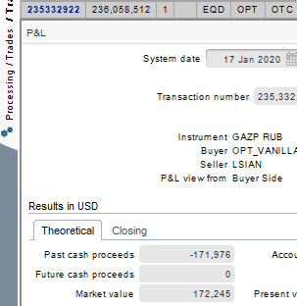
 |  |  |  |  |  |  | For MTM PV / Sim PV calculations the discount curves are always used

 |  |  |  |  |  |  | USD FED Funds curve switched to USD FRA (as in Nx CVA) and Linear

 |  |  |  |  |  |  | Switched to USD LIBOR 3M

